editable-sales-form
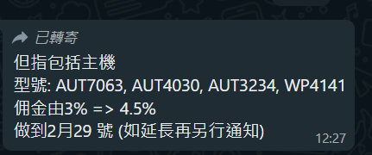
 |  |  |  |  |  |  |  |  |  |  |  |  |  |  | 0
No. | Shop | Location | Promoter | month | date | Model | Product Line | Input | quantity | price | Total Price | Commission 3% | Commission 2.5% | Commission 1.5% | ADD8906 5% | Page | Remark
...

